Summary
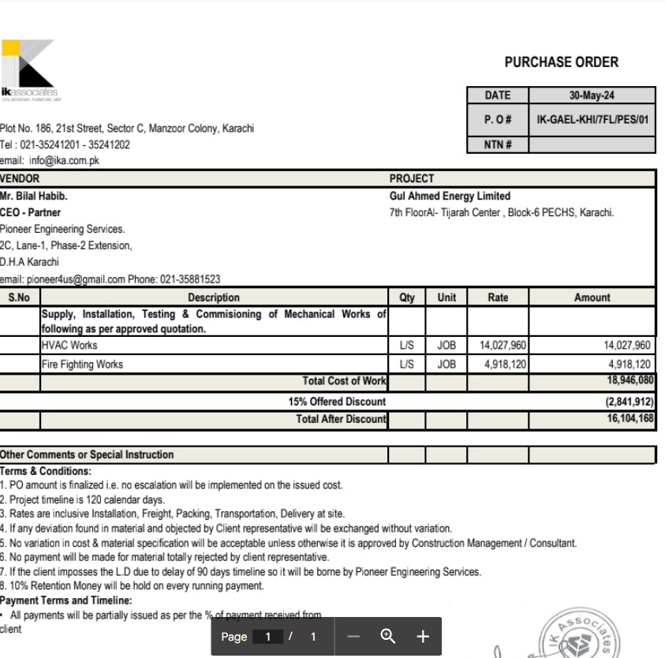

HVAC & Fire Fighting Works |  |  |  | 17-Aug-24

GUL AHMED ENERGY LIMITED
PHASE # 2 7TH FLOOR, AL-TIJARAH CENTER KARACHI

SUMMARY OF RUNNING BILL NO 2

S.No | Description | Material | Labour | Amount

1 | HVAC Work | 6,439,589 | 1,012,257 | 7,451,845
2 | Fire Fighting | 1,829,781 | 365,785 | 2,195,565

3 | 03 Nos Vairation amount | - | - | 4,630,864

 | Grand Total Amount |  |  | 14,278,275

